하네스
Battery
Pin-map |  |  |  |  |  | Part List
 | Pin No | Function |  | Pin No | Function | PCB | PN | Vendor | Description
Main PCB V1.0 | 1 | GND | Battery | 1 | GND | Main | 053048-0310 | Molex | 1.25mm Pitch DIP CON, Right Angle 3-Pin
 | 2 | Battery Temp ADC |  | 2 | Battery Temp ADC | 하네스 | 051021-0300 | Molex | 1.25mm Pitch Housing, Female, 3-Pin
 | 3 | Battery Vcc |  | 3 | Battery Vcc |  | 050058-8000 | Molex | 1.25mm Pitch Crimp Terminal, Female, 28-32 AWG
 |  |  |  |  |  |  | 케이블 |  | AWG28
 | Pin No | Function |  | Pin No | Function |  | Battery
Main PCB V2.0 | 3 | GND | Battery | 1 | GND
 | 2 | Battery Temp ADC |  | 2 | Battery Temp ADC | Part List
 | 1 | Battery Vcc |  | 3 | Battery Vcc | PCB | PN | Vendor | Description
 |  |  |  |  |  | Main | 053048-0710 | Molex | 1.25mm Pitch DIP CON, Right Angle 7-Pin
 |  |  |  |  |  | 하네스 | 051021-0700 | Molex | 1.25mm Pitch Housing, Female, 7-Pin
Transformer |  |  |  |  |  |  | 050058-8000 | Molex | 1.25mm Pitch Crimp Terminal, Female, 28-32 AWG
Pin-map |  |  |  |  |  |  | 케이블 |  | AWG28
 | Pin No | Function |  | Pin No | Function |  | 050058-8000 | Molex | 1.25mm Pitch Crimp Terminal, Female, 28-32 AWG
Main PCB V1.0 | 1 | Gas S/V Enable | S/V | 1 | Gas S/V Enable |  | 051021-0500 | Molex | 1.25mm Pitch Housing, Female, 5-Pin
 | 2 | GND |  | 2 | GND | Transformer | 053398-0571 | Molex | 1.25mm Pitch SMD CON, Vertical 5-Pin
 | 3 | Plasma On Key | Transformer PCB V2.0 | 1 | Plasma On Key
 | 4 | GND |  | 2 | GND
 | 5 | PULSE_OUT2 |  | 3 | PULSE_OUT2 | Part List
 | 6 | PULSE_OUT1 |  | 4 | PULSE_OUT1 | PCB | PN | Vendor | Description
 | 7 | +8.0V |  | 5 | +8.0V | Main | DC-011C_SMD |  | DC Power Jack, 0.7 Pie, DC Plug, SMD
 |  |  |  |  |  | 하네스 | NA645 | 라이트컴 | Coms 컨넥터-DC파워 2.5Ø x 0.7(각형)
 | Pin No | Function |  | Pin No | Function |  | 케이블 |  | AWG20
Main PCB V2.0 | 7 | Gas S/V Enable | S/V | 1 | Gas S/V Enable |  | 악어클립 |  | 악어클립 대(검정색)
 | 6 | GND |  | 2 | GND
 | 5 | Plasma On Key | Transformer PCB V2.0 | 1 | Plasma On Key
 | 4 | GND |  | 2 | GND
 | 3 | PULSE_OUT2 |  | 3 | PULSE_OUT2
 | 2 | PULSE_OUT1 |  | 4 | PULSE_OUT1
 | 1 | +8.0V |  | 5 | +8.0V

GND 하네스
Pin-map
 | Pin No | Function |  | Pin No | Function
Main PCB | 1 | PAD - GND
 | 2 | DC Jack detect Pin
 | 3 | Case Pin - GND | GND Cable | 1 | Case Pin - GND
 | 4 | Center Pin - GND |  | 2 | Center Pin - GND
 | 5 | PAD - GND
 | 6 | Hole
 | 7 | Hole

JTAG 하네스
Pin-map
 | Pin No | Function |  | Pin No | Function
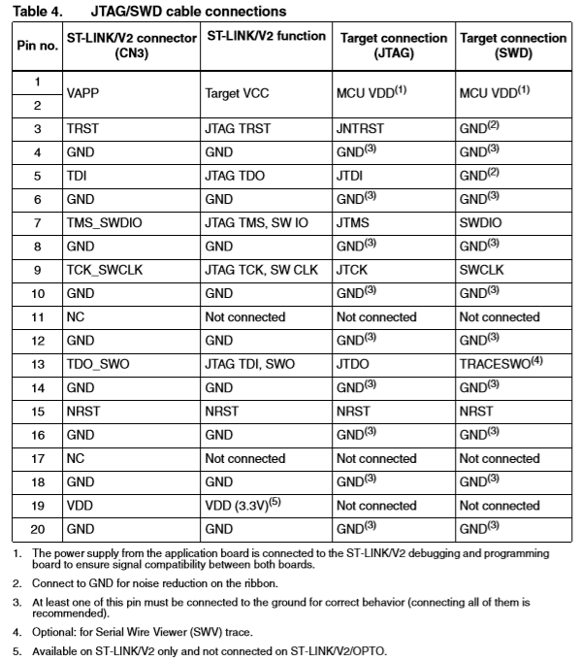
Main PCB | 1 | USB VBUS | ST-LINK | 1,2 | MCU VDD
 | 2 | SYS_SWDIO |  | 7 | SYS_SWDIO
 | 3 | SYS_SWCLK |  | 9 | SYS_SWCLK
 | 4 | USB_ID |  | 3 | GND
 | 5 | GND |  | 4 | GND

Transformer
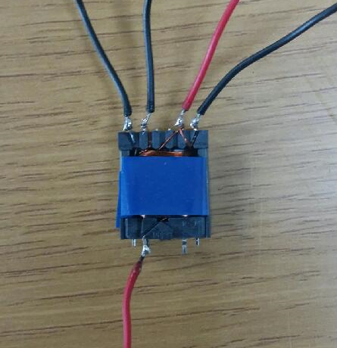
Transformer Voltage
 |  | Tx1 | Tx2 | Tx3 | Unit | Transformer Resistance
Battery | Voltage | 4 | 4 | 4 | V |  | 2차 - 기본 | R_N1 | R_N2 |  |  | 200
 | Current | 2.5 | 2.5 | 2.5 | A | 1 | 200 | 0.2 | 364 |  |  | 2.41
 | Power | 10 | 10 | 10 | W | 2 | 200 | 0.2 | 361
Booster | Voltage | 8 | 8 | 8 | V | 3 | 230 | 0.2 | 419
 | Current | 1.25 | 1.25 | 1.25 | A | 5 | 230 | 0.2 | 413
Transformer | 1차 | 5 | 5 | 5 | N1 | 6 | 230 | 0.2 | 419
 | 2차 - 기본 | 200 | 230 | 250 |  | 7 | 250 | 0.2 | 461 | 443 | 장시간 Test 후 dead - 출력이 낮게 나옴
 | 2차 total | 1400 | 1610 | 1750 | N2 | 8 | 250 | 0.2 | 458
 | Ratio | 280 | 322 | 350 | N1/N2 | 9 | 250 | 0.2 | 460
Output | Voltage | 2240 | 2576 | 2800 | V
 | Current | 4.46 | 3.88 | 3.57 | mA
Measure | Voltage | 4 | 4
 | Current | 2.41 | 2.41

 |  |  | 2.33

